Layout
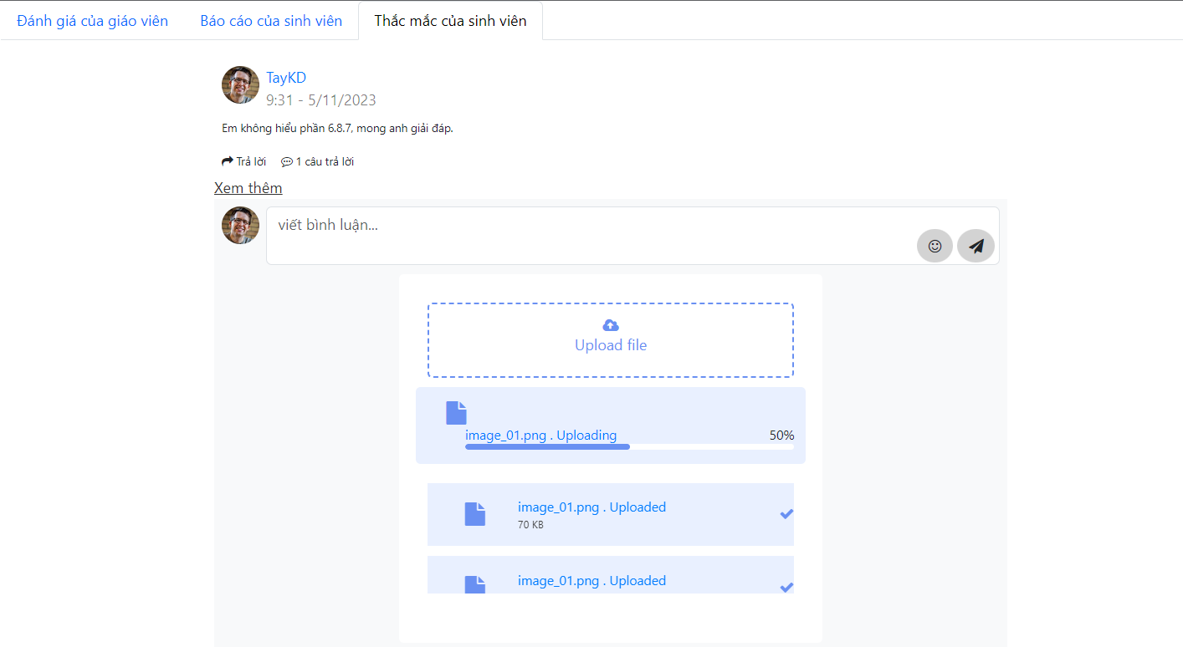
6.3.1.4 Màn hình sửa thông tin khách hàng
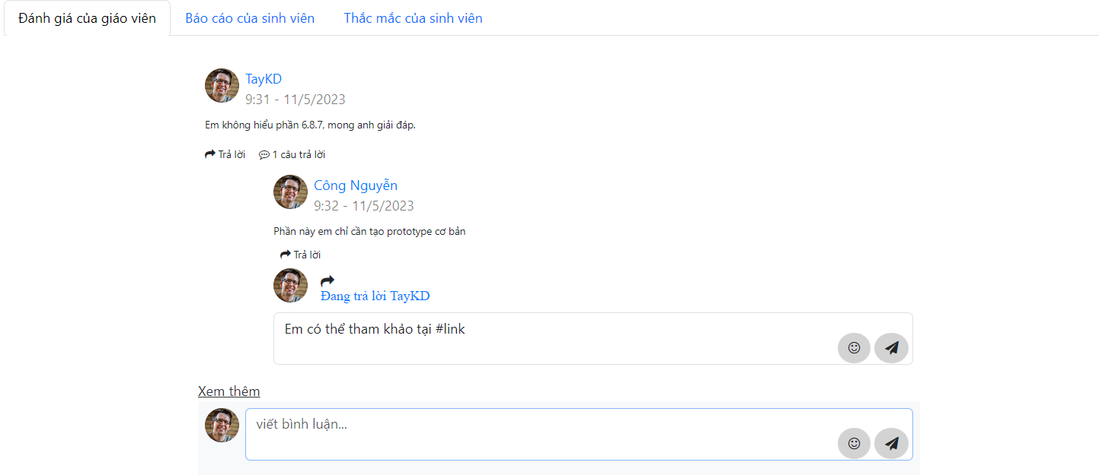

6.3.1.2 Màn hình xóa khách hàng

